Introduction
 | Harmonised Transparency Template

 | Polska
 | ING Bank Hipoteczny Spółka Akcyjna
 | Reporting Date: 16/08/22
 | Cut-off Date: 30/06/22

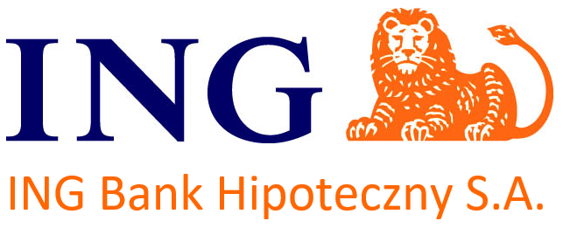

 | Index

Worksheet A: HTT General

Worksheet B1: HTT Mortgage Assets

Worksheet C: HTT Harmonised Glossary

