Introduction
 | Harmonised Transparency Template

 | Polska
 | ING Bank Hipoteczny Spółka Akcyjna
 | Reporting Date: 14/04/22
 | Cut-off Date: 31/03/22
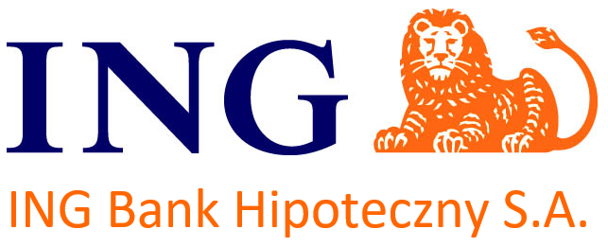

 | Index

Worksheet A: HTT General

Worksheet B1: HTT Mortgage Assets

Worksheet C: HTT Harmonised Glossary

